Foglio1
DATE | 2026-03-03 | DATE | 2026-03-03
SEASON | AW26/27 BULK INSTRUCTION | SEASON | AW26/27 BULK INSTRUCTION
CUSTOMER/LABEL | THE JACKIE LEATHER | CUSTOMER/LABEL | THE JACKIE LEATHER
SUPPLIER | PAKKAR | SUPPLIER | PAKKAR
STYLE NAME | *ADELE KNIT + DETACHABLE PADDING_ 3 SEASON | STYLE NAME | DETACHABLE NYLON PADDING style#ADELE

AVOID VEIN MARKS ON SUEDE
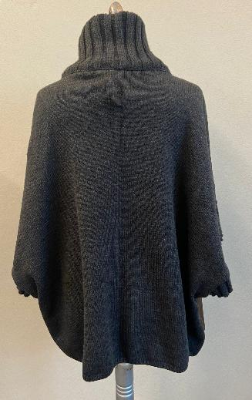 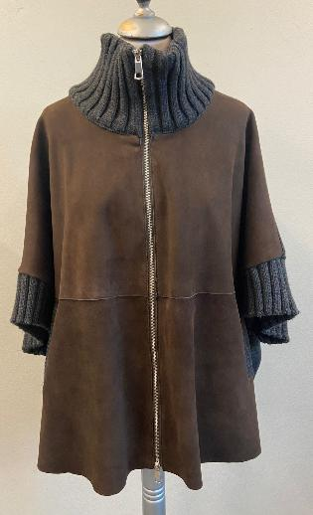 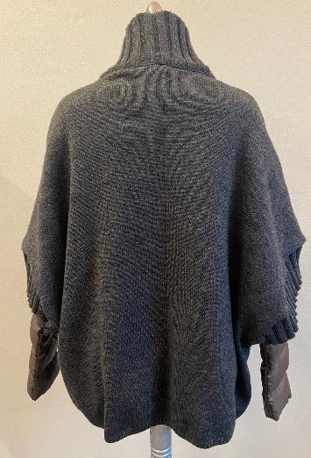 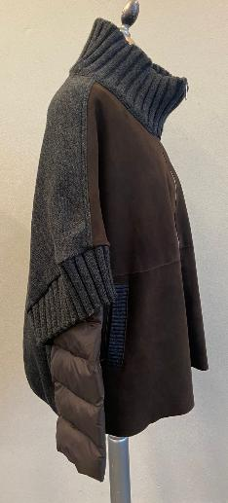 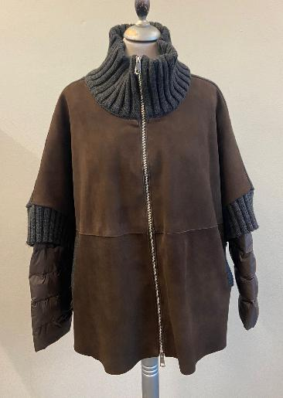 PICTURES |  | 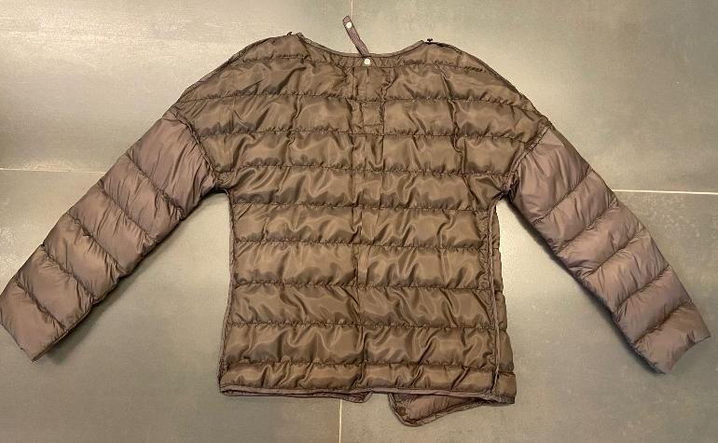 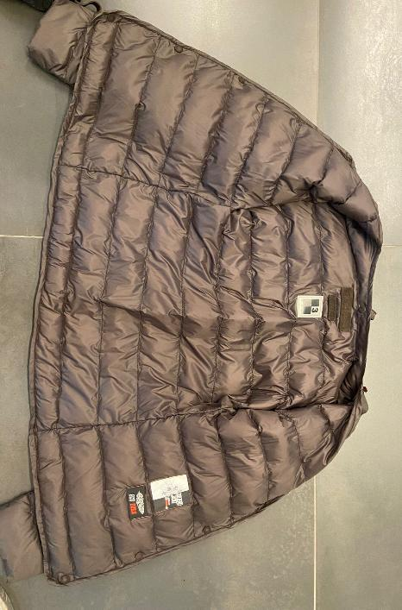 PICTURES
PAY VERY ATTENTION TO THE POSITION OF PRESS BUTTONS ON DETACHABLE PADDING AND ON CAPE, THEY SHOULD BE PERFECT AND MATCH PERFECTLY TO AVOID FITTING PROBLEMS -> SMS NOT CORRECT_ ABSOLUTELY NOT ACCEPTABLE FOR BULK
LEATHER QUALITY | *FRONT PANEL IN THIN SUEDE, SILKY HAND, BRILLIANT, SOFT WITH GOOD WRITING, THROUGH AND THROUGH DYED_FOR CLEAN CUT -> SUEDE WITH VEIN MARKS IS NOT ACCEPTABLE IMPROVE QUALITY OF SUEDE FOR PPS AND BULK >AVOID GLUE STAINS ON SUEDE > FRONT PANELS BONDED WITH WOOLISH JERSEY art.NEW YORK -> PROVIDED BY US >> for leather and jersey bonding color combination please follow the scheme below >>>>THE BONDING METHOD MUST BE PROPERLY MADE TO AVOID DETACHES BETWEEN LEATHER AND JERSEY ON PANELS ANS ON SEAMS ALLOWANCE *SUBSTANCE: 0,35/0,4 MM , THIN AS POSSIBLE IN ORDER TO BE BONDED -> OK SUBSTANCE AS PER SMS >>AVOID MISMATCHING COLOR PANELS >>AVOID FADED COLOR SKINS >>AVOID VEIN'S MARKS >>AVOID BUSHY SKINS >>AVOID OIL STAINS ........................................................... BACK, COLLAR, CUFFS AND POCKET'S PROFILE IN KNIT -> PROVIDED BY YOU FOR SUEDE AND KNIT COLOR COMBINATION PLEASE FOLLOW INFORMATION BELOW >> FOR BULK THESE KKNIT SET SHOULD BE ORDERED TO KEIGEE SUPPLIER AS PER SMS | 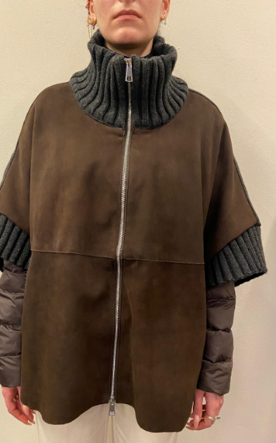 | *FOR BODY VISIBLE SIDE AT OPENED JACKET AND SLEEVES OUTSIDE PLEASE USE NYLON -> PROVIDED BY US >>For quality and color of nylon to be use in bulk with leather color please follow the scheme below _FOR: > FRONT PANELS ONLY VISIBLE SIDE AT OPENED COAT > BACK PANEL INSIDE ONLY VISIBLE SIDE AT OPENED COAT > OUTSIDE SLEEVES *POLYESTER FABRIC MATCHING OUR NYLON COLOR -> PROVIDED BY YOU _FOR: > INSIDE AND OUTSIDE SLEEVES > BACK AND FRONT PANEL ON SIDE FIXED TO THE COAT > INSIDE SLEEVES
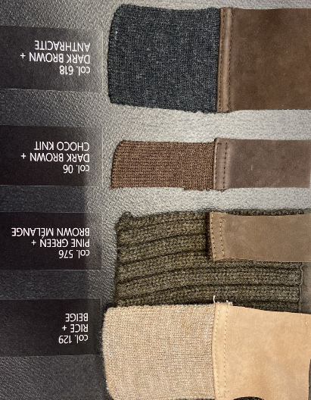
YOU HAVE TO PAY VERY ATTENTION TO PUT THE PRESS BUTTON FOR DETACHABLE PADDING IN THE CORRECT POSITION, TO AVOID FITTING DEFECTS_ SMS NOT CORRECT, THE PRESS BUTTON ON CAPE DOESN'T MATCH WITH DETACHABLE PADDING PRESS BUTTON AND THE FRONT MAKES A BIG DEFECTS AND THE GARMENT IS UNSELLABLE
COLOUR | > col.129 RICE+BEIGE MELANGE -> FOR LEATHER COLOR TONE FOLLOW THE LEATHER SWATCH AT SIDE + BEIGE MELANGE KNIT > col.576 PINE GREEN+ BROWN MELANGE -> FOR LEATHER COLOR TONE FOLLOW SMS style#FRANCIS KNIT seal n°403 + BROWN MELANGE KNIT > col.06 DARK BROWN + MARRONE MELNAGE (CHOCO BROWN) -> FOR LEATHER COLOR TONE FOLLOW SMS style#ADELE KNIT seal n°409 + MARRONE MELANGE KNIT (CHOCO BROWN) > col.618 DARK BROWN + ANTHRACYTE -> FOR LEATHER COLOR TONE FOLLOW SMS style#ADELE KNIT seal n°409 + ANTHRACYTE KNIT | BULK COLOR COMBINATION BETWEEN SUEDE AND NYLON | 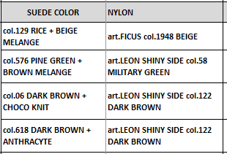
 PATTERN | USING THE CORRET GRADED PATTERN name #ADELE+STACC-11-06-24-ZZ ALREADY ALREADY IN YOUR HANDS, YOU CAN PROCEED IN PRODUCTION >> YOU HAVE TO PAY VERY ATTENTION TO PUT THE PRESS BUTTON FOR DETACHABLE PADDING IN THE CORRECT POSITION, TO AVOID FITTING DEFECTS_ SMS NOT CORRECT, THE PRESS BUTTON ON CAPE DOESN'T MATCH WITH DETACHABLE PADDING PRESS BUTTON AND THE FRONT MAKES A BIG DEFECTS AND THE GARMENT IS UNSELLABLE | PATTERN | FOR BULK PLEASE USED GRADED PATTERN name #ADELE+STACC-11-06-24-ZZ ALREADY IN YOU HANDS >> YOU HAVE TO PAY VERY ATTENTION TO PUT THE PRESS BUTTON FOR DETACHABLE PADDING IN THE CORRECT POSITION, TO AVOID FITTING DEFECTS_ SMS NOT CORRECT, THE PRESS BUTTON ON CAPE DOESN'T MATCH WITH DETACHABLE PADDING PRESS BUTTON AND THE FRONT MAKES A BIG DEFECTS AND THE GARMENT IS UNSELLABLE

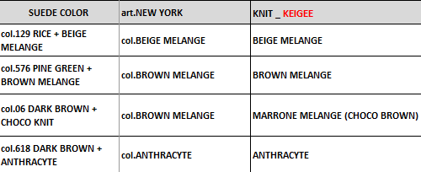 |  | BODY LINING | *FOR BODY AND SLEEVES PLEASE USE OUR NYLON -> PROVIDED BY US _FOR: > FRONT PANELS ONLY VISIBLE SIDE AT OPENED COAT > BACK PANEL INSIDE ONLY VISIBLE SIDE AT OPENED COAT > OUTSIDE SLEEVES color combiantion between leather and nylon to be use _leather col.129 RICE ->NYLON art.FICUS col.1948 BEIGE _leather col.576 PINE GREEN ->NYLON art.LEON SHINY SIDE col.58 MILITARY GREEN _leather col. 816 DARK BROWN/06 DARK BROWN -> NYLON art.LEON SHINY SIDE col.122 DARK BROWN **TAKE CARE IN PRODUCTION TO USE THE CORRECT NYLON FOR QUALITY AND COLOR COMBINATION, DON'T MIX THEM
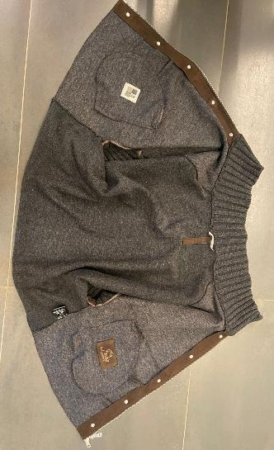 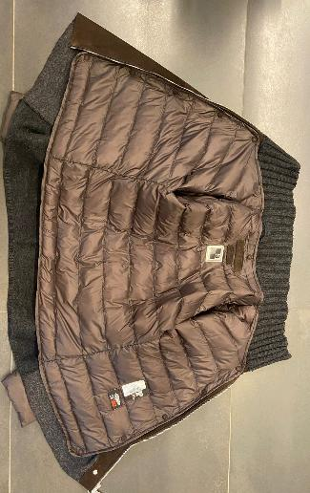 BODY LINING | *FRONT BODY IN BONDED SUEDE UNLINED. > BONDED SUEDE WITH WOOLISH JERSEY art.NEW YORK -> PROVIDED BY US >> FOR SUEDE AN art.NEW YORK JERSEY COLOR COMBINATION FOR BULK PLEASE FOLLWO SCHEME: _leather col.129 RICE -> bonded with jersey col.BEIGE MELANGE _leather col.576 PINE GREEN and 06 DARK BROWN + CHOCO BROWN -> bonded with jersey col.BROWN MELANGE _leather col. 816 DARK BROWN + ANTHRACYTE KNIT -> bonded with jersey col.ANTHRACYTE -> OK AS PER SMS >>PAY ATTENTION TO BOND THE WOOLISH JERSEY FOLLOWING THE CORRECT GRAIN LINE AND CORRECT TOP SIDE OF THIS FABRIC >FRONT FACING IN BONDED LEATHER, SEWN ON SUEDE SIDE -> OK AS PER SMS > TO MAKE A VISIBLE STITCHING AT THE EDGE AT FRONT FACING MARGIN >>THE WORKMANSHIP INSIDE MUST BE IMPROVED, THE INSIDE STITCHING SHOULD BE MADE USING THREAD MATCHING WOOLISH JERSEY COLOR, NOT MATCHING TO THE LEATHER -> SMS NOT CORRET, INSIDE THREAD IS BROWN, BUT IT SHOULD BE MATCHIGN TO THE JERSEY USED FOR BONDING *BACK KNIT UNLINED -> OK AS PER SMS | LINING | *POLYESTER FABRIC MATCHING OUR NYLON COLOR -> PROVIDED BY YOU -> OK AS PER SMS _FOR: > INSIDE SLEEVES AND NOT VISIBLE BACK AND FRONT PANELS >>PAY ATTENTION TO USE A NICE QUALITY OF FABRIC AND THE COLOR MUST BE PERFECTLY MATCH TO OUR NYLON -> OK AS PER SMS
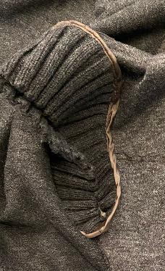 SLEEVES | > RIB'S JOINT BORDERED WITH NICE QUALITY OF POLYESTER FABRIC MATCHING LEATHER COLOR -> PROVIDED BY YOU > TAKE CARE TO SELECT COLOR OF FABRIC PERFECTLY MATCHING TO THE LEATHER COLOR -> OK AS PER SMS >>PAY VERY ATTENTION TO DON'T HOLD OR PULL THE KNIT DURING THE ASSEMBLING SECTION > SEAM'S ALLOWANCE ON RIB AND CUFFS COVERED WITH A SMALL SUEDE STRIPE, CLEAN CUT WORKMANSHIP | PADDING | ECO DOWN FILLING VERY LIGHT ON BODY AND SLEEVES ->TAKE CARE >>THE LAST 4 QUILTING ON SLEEVES SHOULD HAVE MORE PADDING BECAUSE IT SHOULD BE THE VISIBLE PART OUTSIDE -> OK AS PER SMS > THE PADDING SHOULD BE WELL DISTRBUTE TO AVOID EMPTY STRIPES HORIZONTAL QUILTING REPETITION -> FOLLOW THE STITCHING MARKED ON PATTERN QUILTING MADE USING THREAD IN TONE WITH NYLON COLOR >> PAY ATTENTION IN BULK TO MAKE THE CORRECT QUANTITY OF PADDING IN EACH SIZES IN ORDER TO HAVE THE SAME FINAL LOOK OF PADDING, IN ORDER TO AVOID EMPTY LINING IN SOME SIZES AND FULL PADDED LINING IN OTHER SIZES
AVOID C.BACK FOLD MARKS ON KNIT PANELS_ PAY ATTENTION
PAY ATTENTION TO DON'T RUIN THE SUEDE DURING THE PRESS BUTTON COVERING -> SMS NOT CORRECT, THE HEAD OF PRESS BUTTONS ARE COMPETELY RUINED_ ABSOLUTELY NOT ACCEPTABLE IN BULK
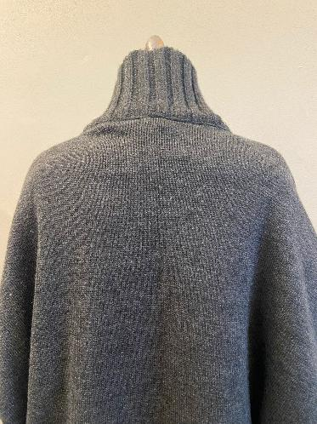 KNIT AND RIBS | BACK, COLLAR, CUFFS IN KNIT -> PROVIDED BY YOU >>THESE SETS SHOULD BE ORDERED TO KEIGEE SUPPLIER AS PER SMS *BACK PANEL -> PLAIN KNITTING GAUGE 4 , BOTTOM RIB HEIGHT 1,5 CM -> OK AS PER SMS *COLLAR IN DOUBLE RIB 3:3 -> PUT THE CORRECT NUMBER OF RIBS AND DON'T HOLD THE LEATHER ON NECKLINE BUT THAT CARE TO DON'T LOOSE THE COLLAR -> ANYWAY OK RIB COLLAR AS PER SMS *CUFFS SINGLE RIB 3:3 *POCKET POFILE RIB 2:2 HORYZONTAL >>TAKE CARE TO THE KNIT QUALITY, THE RIB AND KNITTING SHOULD HAVE THE CORRECT WEAVING ORDERED >> TAKE CARE TO DON'T LOOSE THE RIB DURING THE ASSEMBLING SECTION ESPECIALLY ON CUFFS >>PAY ATTENTION DURING THE COLLAR RIB ASSEMBLING SECTION, AT JOINT BETWEEN NECKLINE AND ZIPPER AT FRONT MARGIN, THE RIB SHOULD NOT STOP THE ZIPPER SLIDING -> TAKE CARE >>AVOID VISIBLE FOLDES ON KNIT PANELS | 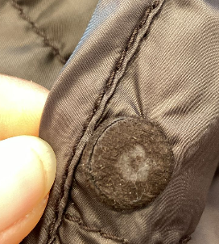 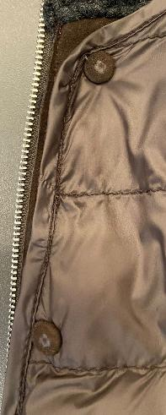 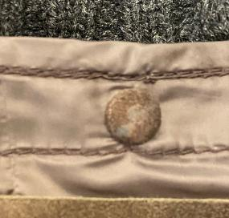 | TO FIX THE DETACHABLE PADDING WITH BODY CAPE: >PLEASE USE VISIBLE PRESS BUTTON NICKEL FINISHING COVERED WITH BODY LEATHER ON DETACHABLE NYLON >> PAY ATTENTION TO DON'T RUIN THE SUEDE DURING THE PRESS BUTTON COVERING -> SMS NOT CORRECT, THE HEAD OF PRESS BUTTONS ARE COMPETELY RUINED_ ABSOLUTELY NOT ACCEPTABLE IN BULK >"MALE" PART ON THE DETACHABLE LINING AND THE FEMALE PART ON THE JKT > PAY VERY ATTENTION TO THE POSITION OF PRESS BUTTONS ON DETACHABLE PADDING AND ON CAPE, THEY SHOULD BE PERFECT AND MATCH PERFECTLY TO AVOID FITTING PROBLEMS -> SMS NOT CORRECT_ ABSOLUTELY NOT ACCEPTABLE FOR BULK
THE BACK NYLON STRIPE SHOULD BE STITCHED PERFECTLY STRAIGHT_ IMPROVE IT, SMS NOT CORRECT
SMS BUTTON NOT CORRECT, THEY ARE 4 HOLES AND TRANSPARENT COLOR, NOT CORRECT
CORRECT QUALITY OF BUTTONS FOR DETACHABELE LINING AT COLLAR
ZIPPER | *FOR MAIN CLOSURE PLEASE USE METAL ZIPPER SBS N°5 DOUBLE SLIDER IN HIGH SHINY NICKEL FINISHING -> PROVIDED BY YOU -> OK AS PER SMS >>CHECK CAREFULLY THE CORRECT WORK OF ZIPPER, THE SLIDER SHOULD START CORRECTLY AND WORKS PROPERLY *METAL PULLER WITH SQUARED SHAPE TOP AND LOWER -> PROVIDED BY YOU -> OK PULLER SHAPE AS PER SMS *ZIPPER RIBBON SHOULD BE MATCHING LEATHER TONE, NOT DYED > VISIBLE ZIPPER TEETH > ZIPPER START FROM UPPER COLLAR MARGIN TO FRONT BOTTOM >>ZIPPER RIBBON NOT VISIBLE INSIDE, SEWN IN CLEANED WAY ON COLLAR AND FRONT FACING >>PAY VERY ATTENTION TO STITCH THE ZIPPER RIBBON IN ORDER TO HAVE A GOOD SLIDING OF METAL ZIPPER SLIDER, ESPECIALLY AT COLLAR JOINT, THE ZIPPER MUST NOT BE STOPPED BY RIB >> THE ZIPPER SHOULD BE PERFECTLY ALLIGNED ON TOP AND AT BOTTOM | 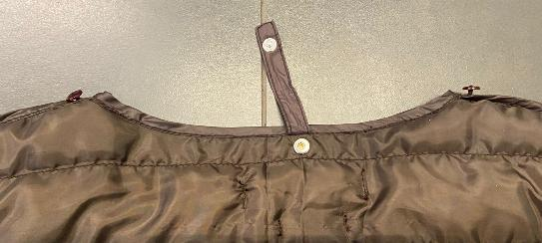 | *SMALL PLASTIC BUTTONS (10mm)ON SHOULDER POINT, N°2 HOLES, DULL FINISHING MATCHING LEATHER COLOUR , NOT TRANSPARENT -> SMS NOT CORRECT, IT'S TRANSPARENT AND WITH 4 HOLE, NOT ACCEPTABLE FOR BULK > THESE BUTTONS SHOULD BE size 18 -> PROVIDED BY YOU -> PLASTIC BUTTONS PLACEMENT 1 pcs ON SHOULDER POINT/NECKLINE *ELASTIC EYEHOLES ON CAPE MATCHING LINING COLOR -> TAKE CARE TO MAKE IT SMALLER AS POSSIBLE TO AVOID BUTTONS DETACHES >THE ELASTIC WIDTH SHOULD BE 0,3 CM MAXIMUM 1 pcs ON SHOULDER, COLLAR -> PLEASE MAKE IT SMALLER AS POSSIBLE *NYLON STRIPES WITH PRESS BUTTON ON C.BACK NECKLINE -> TAKE CARE TO MAKE THIS STRIPE PERFECTLY CENTERED AND STRAIGHT _ IMPROVE IT
THE ELASTIC BUTTON HOLES SHOULD BE SMALLER TO AVOID EASILY BUTTON DETACHES_ IMPROVE IT
3,5 CM
1 CM
1 CM
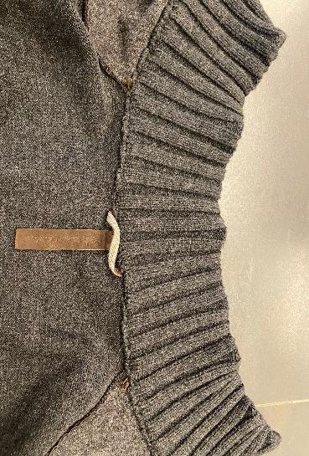 FOR DETACHABLE PADDED LINING | ACCESSORIES TO FIX THE DETACHABLE PADDING TO FIX THE DETACHABLE LINING INSIDE PUT PRESS BUTTON , MALE PART ON DETACHABLE LINING WITH FLAT HEAD FEMALE PART ON FRONT FACING FOLLOWING THE PLACEMENT ON PATTERN -> PROVIDED BY YOU > NO PRESS BUTTONS ON BACK NECKLINE >> YOU HAVE TO PAY VERY ATTENTION TO PUT THE PRESS BUTTON FOR DETACHABLE PADDING IN THE CORRECT POSITION, TO AVOID FITTING DEFECTS_ SMS NOT CORRECT, THE PRESS BUTTON ON CAPE DOESN'T MATCH WITH DETACHABLE PADDING PRESS BUTTON AND THE FRONT MAKES A BIG DEFECTS AND THE GARMENT IS UNSELLABLE -> PAY ATTENTION TO USE PRESS BUTTONS NOT TOO HARD TO AVOID LEATHER 'S BREAKS AND PRESS BUTTONS BREAKS *SMALL FLYING ELASTIC BUTTON HOLE TO FIX THE LINING ON SHOULDER/NECKLINE POINT -> PROVIDED BY YOU -> SMS BUTTON HOLES ARE TOO BIG, PLEASE TO REDUCE THE DIMENSION TO AVOID EASILY DETACHES > ELASTIC SHOULD BE THIN AS POSSIBLE, MATCHING LEATHER COLOR > N°1 ON SHOULDER LINE, AT NECKLINE | 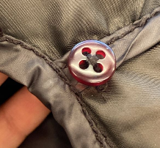 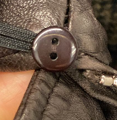 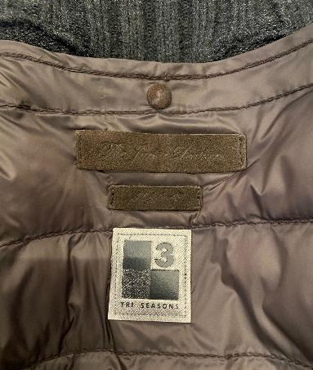 | LABELLING WITH EMBOSSED PRINT: PROVIDED BY YOU -> OK AS PER SMS *PLEASE MAKE FOR MAIN LABEL LEATHER STRIP (DOUBLE LAYERS) 9 cm x 2 cm WITH EMBOSSED PRINT "The Jackie Leathers" + SIDES VERTICAL STITCHING ONLY *PLACEMENT AT 3,5 CM FROM NECKLINE MARGIN PLEASE MAKE DIE CUT AND NO SCISSORS FOR RECTANGLES PLEASE PAY ATTENTION: VERTICAL STITCHING SHOULD BE PROPERLY FIXED *PLEASE MAKE A SIZE LABEL, LEATHER STRIP (DOUBLE LAYERS) 5,2 cm x 1,3cm WITH EMBOSSED PRINT "size 42" + SIDES VERTICAL STITCHING ONLY -> OK AS PER SMS *PLACEMENT INSIDE, 1 CM UNDER MAIN LABEL 3 SEASON LABEL: PROVIDED BY US > "3SEASON" LABEL STITCHED ON C.BACK AT 2 CM UNDER THE EMBOSSED SIZE LABEL > LABEL FIXED TO THE DEATCHABLE LING WITH STITCHING ALL AROUND WITH THREAD MATCHING MID SEASON LABEL COLOUR >STITCH THE LABEL ALL AROUND WITH MEDIUM GREY THREAD COLOR *IN BULK THE LABELLING MUST BE COMPLETE ON CAPE AND ON DETACHABLE PADDED LINING
SMS EMBOSSED LABEL IS NOT VISIBLE AND THE LABEL IS STITCHED SLOPED, NOT CORRCET FOR BULK.
LABEL SHOULD BE STRAIGHT AND EMBOSSED LOGO MORE CLEAR AND READABLE
10 CM
EMBROIDERY LABEL SHOULD BE STITCHED PARALLEL TO THE C.FRONT MARGIN -> SMS NOT CORRECT, IT'S SLOPED
10 CM
10 CM
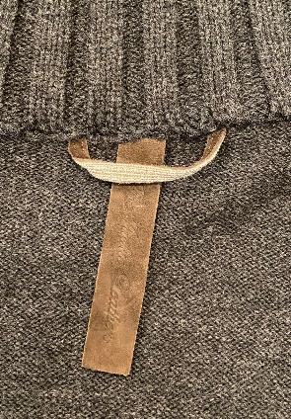 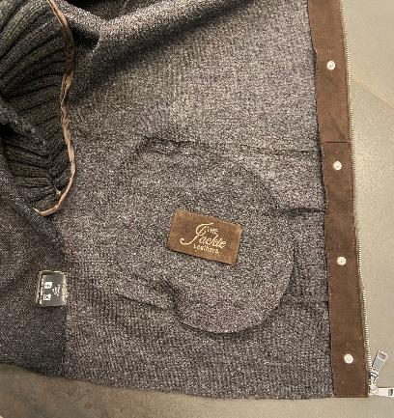 LABELLING | *1) EMBOSSED MAIN LABEL -> SMS EMBOSSED LABEL IS NOT VISIBLE AND THE LABEL IS STITCHED SLOPED, NOT CORRCET FOR BULK. LABEL SHOULD BE STRAIGHT AND EMBOSSED LOGO MORE CLEAR AND READABLE >THE EMBOSSED LABEL SHOULD BE STITCHED PERFECTLY CENTERED ON C.BACK AND IT SHOULD BE STRAIGHT - EMBOSSED LOGO "THE JACKIE LEATHERS" ON DOUBLE LAYERS OF LEATHER PASTED TOGHETHER -SHOULD BE STITCHED TO THE COLLAR FACING IN VERTICAL WAY -PLEASE CUT MAIN LABEL SMALL AS MUCH POSSIBLE, LEAVING READABLE THE LOGO CM 10 X CM 2 *2) EMBRODERY MAIN LABEL -> EMBROIDERY LABEL SHOULD BE STITCHED PARALLEL TO THE C.FRONT MARGIN -> SMS NOT CORRECT, IT'S SLOPED PLEASE MAKE THE LOGO "THE JACKIE LEATHERS" EMBROIDERED ON A LEATHER PATCH TO BE STITCHED ON LEFT POCKET'S BAG, CENTERED > LABEL SIZE 9,5 cm width X 5,5 cm high >"THE" AND "LEATHERS" EMBROIDERED WITH THREAD MATCHING LEATHER COLOR >"JACKIE" EMBROIDERED WITH THREAD MATCHING LEATHER COLOR >FOLDED EDGES FIXED BY HANDS STITCH IN DIAGONAL IN THE ANGLES LEATHER HANGTAG WITH EMBRODERY -> PAY ATTENTION TO MAKE THE EMBROIDERED WORK STRAIGHT WITH ALL LETTERS ALLIGNED -> IMPROVE IT HAVE THE EQUAL INSTRUCTION OF 2nd MAIN LABEL'S EMBRODERY > HANTAG IN LEATHER TREATED SAME AS PER GARMENT > HANTAG SIZE 13 cm width X 6 cm high > BACK PART SHOULD BE IN JERSEY USED FOR BONDING , FOLDED INSIDE, NOT CLEAN CUT -> PROVIDED BY YOU > FRONT AND BACK LAYERS SEW TOGHETHER ALL AROUND WITH 3mm STITCHING FROM THE EDGE. > STITCHING SHOULD BE MATCHING LEATHER COLOUR >LEATHER HANG TAG with nickel eyelet -------------------------------------- *PRINTED LABELS SEW AT LEFT WORN SIDE 1st PLACE *SIZE LABEL 2nd PLACE *FACEBOOK INSTAGRAM 3rd PLACE *IMPORTED BY 4th PLACE *WASH CARE LABEL 5th PLACE *MADE IN INDIA *THE PRINTED LABELS, PROVIDED BY YOU, SHOULD HAVE BLACK GROUND AND WHITE LETTERING STITCHED AT LEFT POCKET BAG MARGIN AT 10 CM FROM BOTTOM ->TO PUT THEM IN THE RIGHT POSITION **THE CARTON HANGTAGS INFORMATION DOCUMENTS WILL BE SENT | 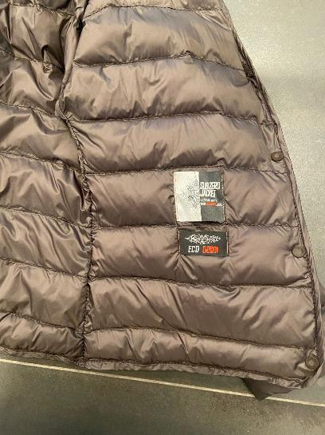 OTHER LABELS | SUB ZERO+ECO DOWN LABELS PROVIDED BY US PLEASE STITCH "SUB ZERO" + "ECO DOWN" WOVEN LABELS ON SIDE LEFT DETACHABLE FRONT (AT WORN GARMENT) *TO SEW THESE LABELS WITH VERTICAL SEW MACHINE STITCHING AT BOTH SIDES USING THREAD col.RED MATCHING WRITING "DOWN" ON WOVEN LABELS >THESE LABEL SHOULD BE STITCHED AT 10 CM FROM ARMHOLE AND 10 CM FROM FRONT MARGIN AT LEFT FRONT AT WORN JACKET -> OK AS PER SMS
OK BOTTOM SLEEVE WORKMANSHIP AS PER SMS
 |  | 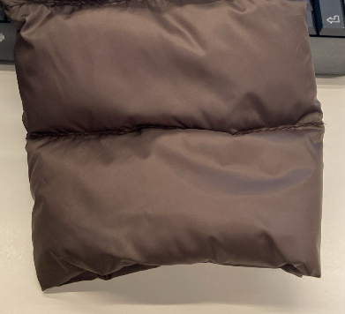 STITCHING | OK STITCHING AS PER SMS *FRONT MARGIN AND BOTTOM EDGE OF DETACHABLE LINING FINISHED WITH BODY NYLON PIPING *BOTTOM SLEEVES SHOULD BE FINISHING WITH CLEANED WORKMANSHIP, NOT VISIBLE STITCHING OUTSIDE *SLEEVES CLEANED WORKMANSHIP, NO VISIBLE BORDER *ALL OTHER CONSTRUCTION CUTS, SIDES, ARMHOLE AND SHOULDER SHOULD BE BORDERED WITH POLYESTER FABRIC/LINING -> PROVIDED BY YOU QUILTING MADE USING THREAD IN TONE WITH NYLON COLOR *VISIBLE HORYZONTAL QUILTING AS MERKED ON GRADED PATTERN
EMBROIDERY LABEL SHOULD BE STITCHED PARALLEL TO THE C.FRONT MARGIN -> SMS NOT CORRECT, IT'S SLOPED
AVOID GLUE STAINS ON LINING
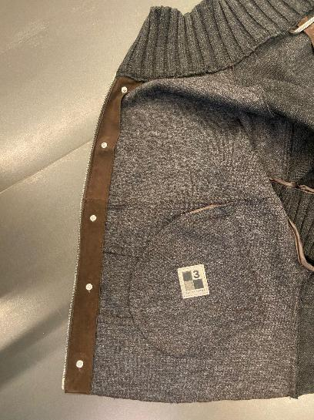 ADDITIONAL LABELLING | *ADDITTIONAL LABELLING FOR "ADELE KNIT+DETACHABLE PADDED LINING_ 3SEASON" YOU SHOULD PUT: >3 SEASON LABEL -> PROVIDED BY US > SEWN ON RIGHT FRONT POCKET'S BAG , IN THE MIDDLE BY VISIBLE STITCHING ALL AROUND USING THREAD MATCHING COLOR WITH LABEL'S BASE >>THE LABEL SHOULD BE PARALLEL TO THE FRONT MARGIN -> SMS NOT CORRECT, THE LABEL IS SLOPED, NOT ACCEPTABLE FOR BULK | 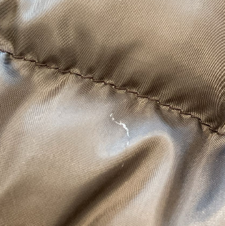 WORKMANSHIP | THE GENERAL WORKMANSHIP OF THIS PADDING SHOULD VERY CLEANED AND PRECISE -> IMPROVE IT >PAY ATTENTION DURING THE BORDERING SECTION TO DON'T CARRY ON THE FABRICS AND NYLON >THE HORYZONTAL QUILTING SHOULD BE STRAIGHT IN ALL PANELS >AVOID GATHERING ON NYLON AROUND STITCHING >ALL STITCHING MUST BE WELL FIXED UNTIL THE END >ALL STITCHING SHOULD BE STRAIGHT , REGULAR AND PRECISE >AVOID UNFIXED BORDER IN THE INTERSECTION >AVOID PENDING YARNS > PAY ATTENTON TO DON'T GET OUT THE PADDING THROUGH THE BODY BORDER >AVOID SILVER AND STAINS PEN'S MARKS > AVOID FLYING THREAD > AVOID GLUE STAINS ON LINING
THE RIB INSIDE SHOULD BE WELL FINISHED, AVOID VISIBEL THREAD IN DIFFERENT COLOR OR THE YARNS USED TO JOINT THE RIB STRIPES BEFORE THE APPLICATION_ SMS NOT CORRECT _ IMPROVE IT FOR BULK
PAY ATTENTION TO DON'T CARRY ON THE NYLON DURING THE BORDERING SECTION
AVOID VISIBLE NYLON THREAD THROUGH THE STITCHING, (FRAYED FABRIC) TAKE CARE DURING THE ASSEMBLING SECTION
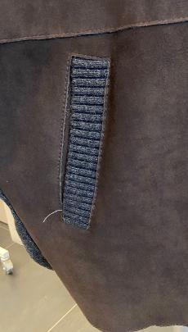 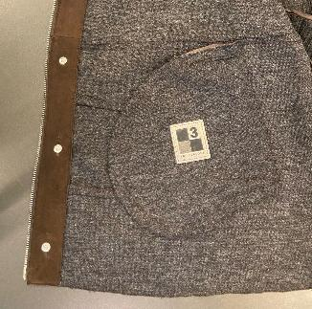 POCKETS | *FRONT LOWER POCKETS WITH KNIT RIB PROFILE , 3 CM WIDTH, SINGLE LAYER, RIB 2:2 HORYZONTAL -> OK AS PER SMS >POCKET'S BAG: -> OK AS PER SMS _ VISIBLE SIDE IN BONDED LEATHER (VISIBLE JERSEY SIDE) _ INSIDE PART NOT VISIBLE IN POLYESTER FABRIC MATCHING LEATHER COLOR -> PROVIDED BY YOU >> POCKET'S BAG FIXED AT FRONT PANEL BY BONDED LEATHER STRIPE, VISIBLE JERSEY SIDE, WITH STITCHING AT THE EDGE -> OK AS PER SMS >>PAY ATTENTION TO DON'T HOLD OR MARKS THE FRONT PANEL OUTSIDE WITH HAND'S STITCH >>THE STITCHING INSIDE MUST BE PERFECTLY MATCHING TO THE JERSEY INSIDE -> SMS NOT CORRECT >> THE RIB INSIDE SHOULD BE WELL FINISHED, AVOID VISIBEL THREAD IN DIFFERENT COLOR OR THE YARNS USED TO JOINT THE RIB STRIPES BEFORE THE APPLICATION_ SMS NOT CORRECT _ IMPROVE IT FOR BULK | 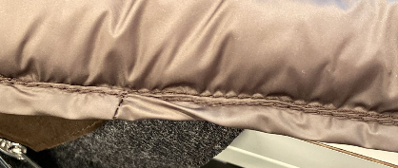 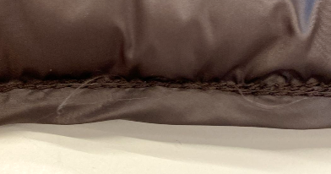
SMS WRONG LOOP ATTACH
CORRECT WAY TO STITCH THE C.BACK LOOP IN BULK
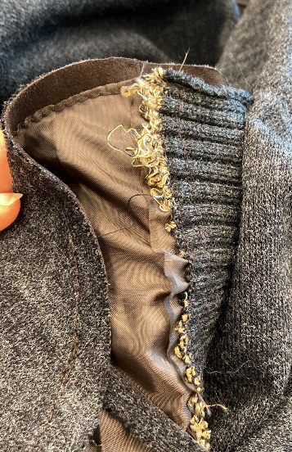 STITCHING | *CLEAN CUT WORKMANSHIP WITH VISIBLE STITCHING AT THE EDGE FOR FRONT ZIPPER, BOTTOM BODY, HORYZONTAL CUT AND POCKETS -> OK AS PER SMS, BUT THE QUALITY SHOULD BE IMPROVED *CLEANED WORKMANSHIP, NORMAL SEAMS FOR CUFF, SHOULDER AND SIDES, JOINT WITH KNIT PARTS THE SIDE'S SEAM'S ALLOWANCE AT JOINT BETWEEN LEATHER AND KNIT SHOULD BE WELL FINISHING INSIDE AND OUTSIDE > FOR SEAMS BETWEEN LEATHER AND KNIT PLEASE USE A NICE QUALITY OF THREAD MATCHING KNIT COLOR AND CORRECT QUALITY FOR BOTH MATERIALS TO AVOID LEATHER OR KNIT BREAKS > FOR VISIBLE STITCHING PLEASE USE A NICE QUALITY OF THREAD MATCHING LEATHER COLOR OUTSIDE AND MATCHING JERSEY COLOR INSIDE -> SMS NOT CORRECT, THE THREAD INSIDE IS IN LEATHER COLOR, YOU SHOULD USE THREAD COLOR OUTSIDE MATCHING TO THE LEATHER AND INSIDE MATCHING TO THE JERSEY AS REQUIRED_ MAKE CORRECT STITCHING IN BULK
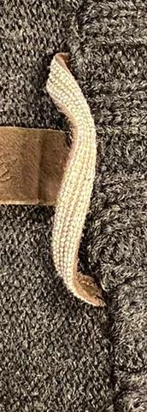 | *LEATHER LOOP ON C.BACK NECKLINE WITH "BIG CHAIN" ATTACHED OVER >>"BIG CHAIN" SILVER FINISHING -> PROVIDED BY US >> C.BACK LOOP SHOULD BE ALWAYS IN SILVER FINISHING >THE FINAL LENGTH OF LOOP SHOULD BE 8 CM LONGER , FROM SIDE TO SIDE -> THE LOOP SHOULD BE PERFECTLY CENTERED TO THE C.BACK NECKLINE AND IT SHOULD BE STITCHED STRAIGHT, NOT LIKE SMS >>PAY VERY ATTENTION TO THE LEATHER LOOP WORKMANSHIP, IT MUST BE PERFECTLY CENTERED ON BACK > TO SEW THE CHAIN PLEASE USE THREAD col.LIGHT GREY TO AVOID VISIBLE STITCHING UNDER THROUGH THE CHAIN
AT FRONT LEATHER PANEL THE PANELS MUST BE PARALLEL AND SYMMETRICAL -> SMS NOT CORRECT
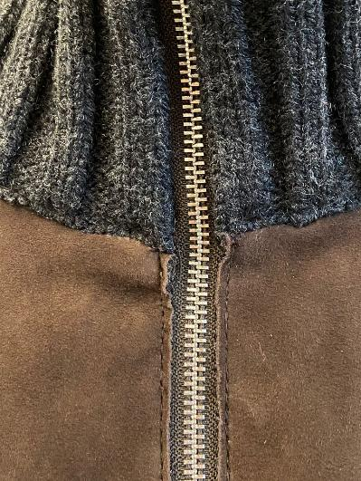 | GENERAL WORKMANSHIP SHOULD BE IMPROVED FOR BULK >PAY VERY ATTENTION TO DON'T RUIN AND DON'T STAIN THE SUEDE AND FABRIC DURING THE ASSEMBLING SECTION > AT FRONT LEATHER PANEL THE PANELS MUST BE PARALLEL AND SYMMETRICAL-> SMS NOT CORRECT, THE PANEL AT COLLAR JOINT ARE NOT ALLIGNED > AVOID GATHERING AROUND STITCHING -> SMS NOT CORRECT > AVOID INSIDE PARTS WITH VISIBLE FLESH LEATHER, NOT BONDED -> SMS NOT CORRECT > THE KNIT SHOULD BE SOFT ON PLAIN PANELS AND ON RIBS IN ALL ORDERED KNIT COLORS > AVOID MISMATCHING COLOR PANELS > INSIDE WORKMANSHIP, THE SEAM'S ALLOWANCE SHOULD BE WELL FINISHED AND CLEANED > CLEAN CUT WORKMANSHIP SHOULD BE STRAIGHT AND PRECISE IN ALL STITCHING LENGTH -> SMS NOT CORRECT > AVOID BURNED MARGIN -> SMS NOT CORRECT, THE BOTTOM MARGIN AT FRONT HAS SOME BURNED PARTS, ABSOLUTELY NOT ACCEPTABLE FOR BULK > ALL BUTTONS MUST BE WELL FIXED TO AVOID EASILY DETACHES , IMPROVE IT >THE JERSEY MUST BE ATTACHED PERFECTLY ALSO AT SEAM'S ALLOWANCE TO AVOID ANY DETACHES > THE JERSEY ON CLEAN CUT PARTS MUST CUT STRAIGHT AND PRECISE, NOT JAGGED. >AVOID DARK STAINS ON SKINS/AVOID GLUE STAINS ON SUEDE >PAY ATTENTION TO DON'T CUT THE LEATHER FOR NOTCH TO AVOID VISIBLE CUTS > AVOID PENDING YARNS > ALL STITCHING SHOULD BE WELL FIXED UNTIL THE END > PAY ATTENTON DURING THE COLLAR ATTACH, DON'T CARRY ON THE LEATHER AND AVOID GATHERING

PACKING & SHIPMENT PAY ATTENTION – AVOID BUTTON MARKS ON BACK PANEL IMPROVE PACKING/PROCESS TO PREVENT DEEP MARKS TAKE CARE TO PROTECT HANGED LABELLING IN ORDER TO DO NOT LEAVE IMPRESSION ON THE JACKET
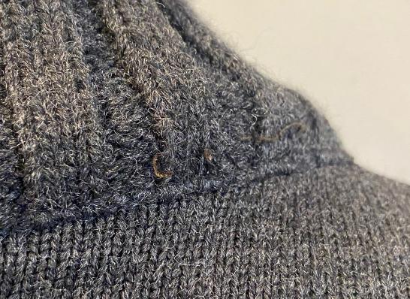
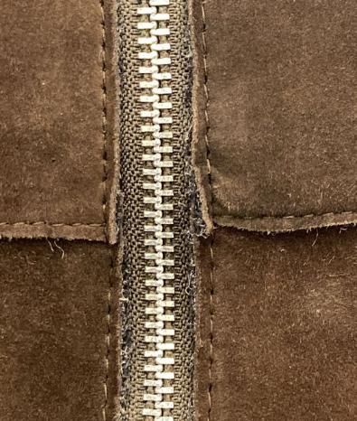
AVOID GATHERING AROUND STITCHING -> SMS NOT CORRECT
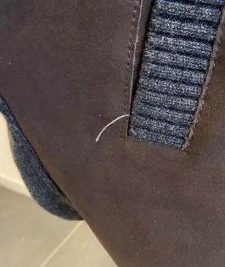
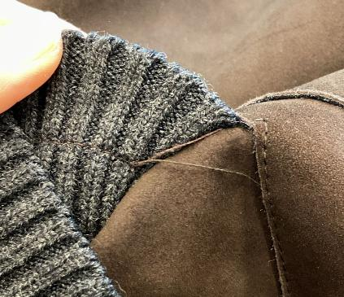

AVOID PENDING YARNS AND USELESS STITCHINIG ON GARMENT


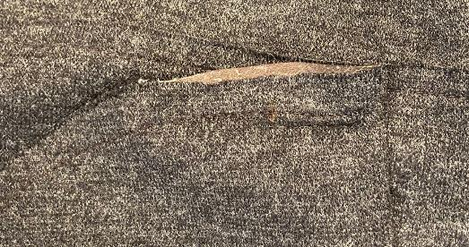
CLEAN CUT SHOULD BE STRAIGHT AND PRECISE IN ALL PARTS_ IMPROVE IT
AVOID INSIDE PARTS WITH VISIBLE FLESH LEATHER, NOT BONDED -> SMS NOT CORRECT

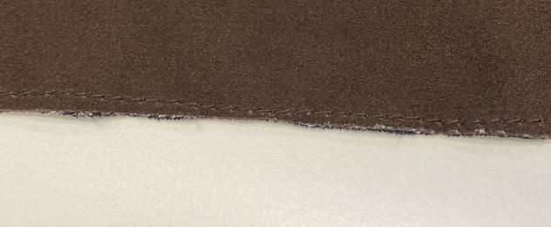
AVOID BURNED MARGIN -> SMS NOT CORRECT, THE BOTTOM MARGIN AT
FRONT HAS SOME BURNED PARTS, ABSOLUTELY NOT ACCEPTABLE FOR
BULK

